Top 5
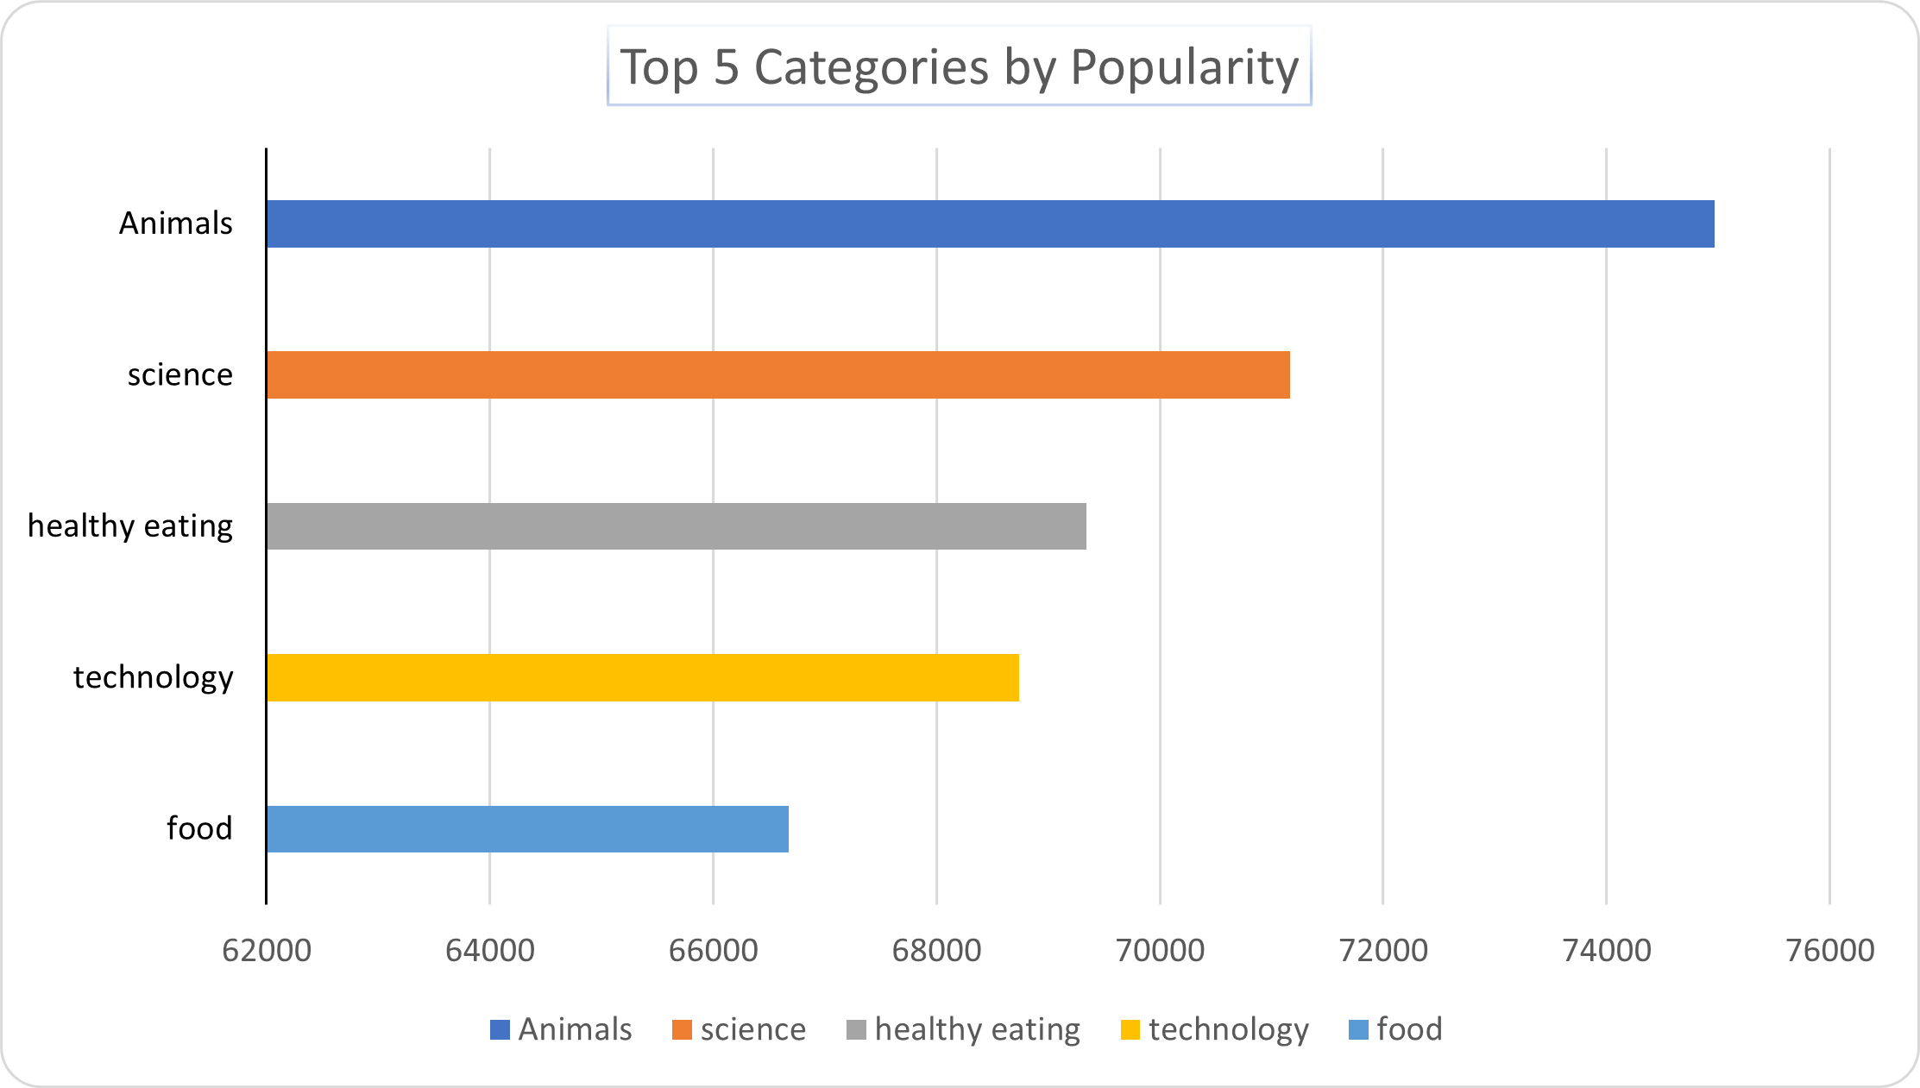
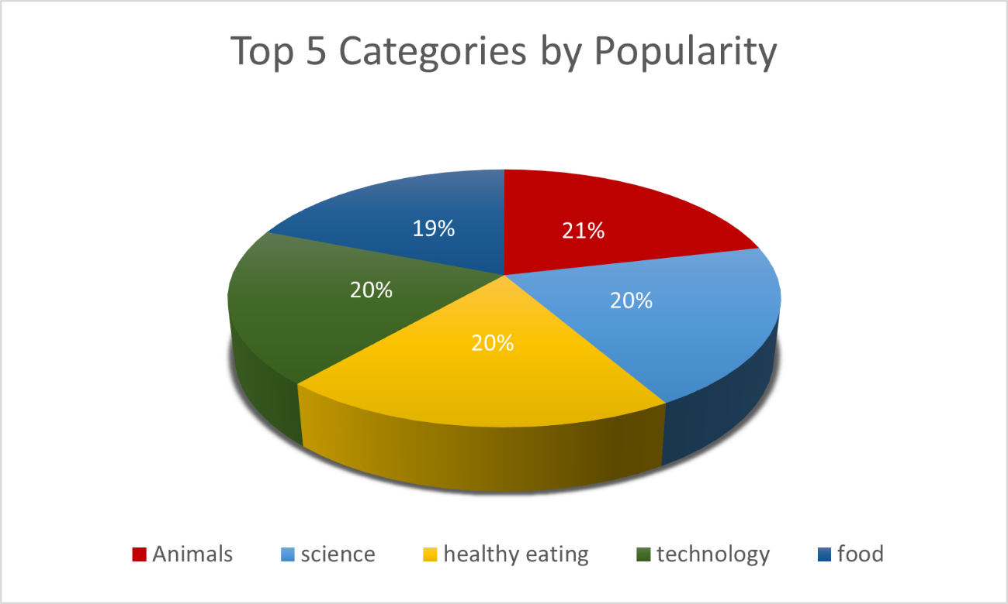
Category | Score
Animals | 74965
science | 71168
healthy eating | 69339
technology | 68738
food | 66676

